R4
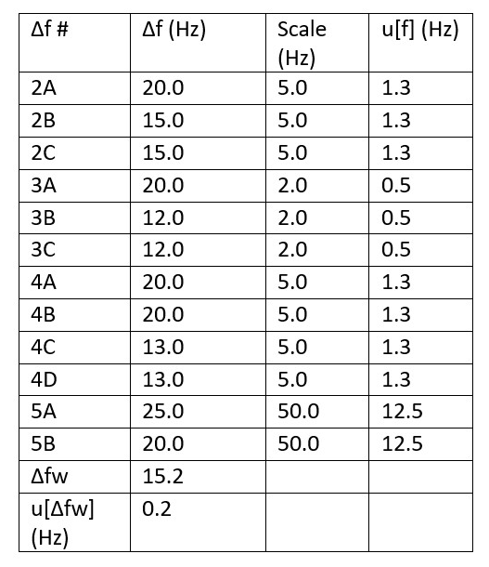
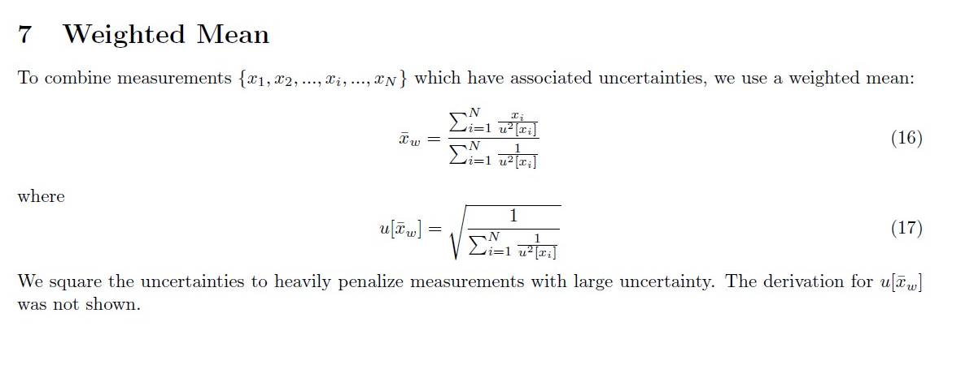
Δf # | Δf (Hz) | Scale (Hz) | u[f] (Hz) | u^2[f] (Hz) | Δf/u^2[f] | 1/u^2[f]
2A | 20.0 | 5.0 | 1.3 | 1.5625 | 12.8 | 0.64
2B | 15.0 | 5.0 | 1.3 | 1.5625 | 9.6 | 0.64
2C | 15.0 | 5.0 | 1.3 | 1.5625 | 9.6 | 0.64
3A | 20.0 | 2.0 | 0.5 | 0.25 | 80 | 4
3B | 12.0 | 2.0 | 0.5 | 0.25 | 48 | 4
3C | 12.0 | 2.0 | 0.5 | 0.25 | 48 | 4
4A | 20.0 | 5.0 | 1.3 | 1.5625 | 12.8 | 0.64
4B | 20.0 | 5.0 | 1.3 | 1.5625 | 12.8 | 0.64
4C | 13.0 | 5.0 | 1.3 | 1.5625 | 8.32 | 0.64
4D | 13.0 | 5.0 | 1.3 | 1.5625 | 8.32 | 0.64
5A | 25.0 | 50.0 | 12.5 | 156.25 | 0.16 | 0.0064
5B | 20.0 | 50.0 | 12.5 | 156.25 | 0.128 | 0.0064
Δfw | 15.2
u[Δfw] (Hz) | 0.2

